Template Help
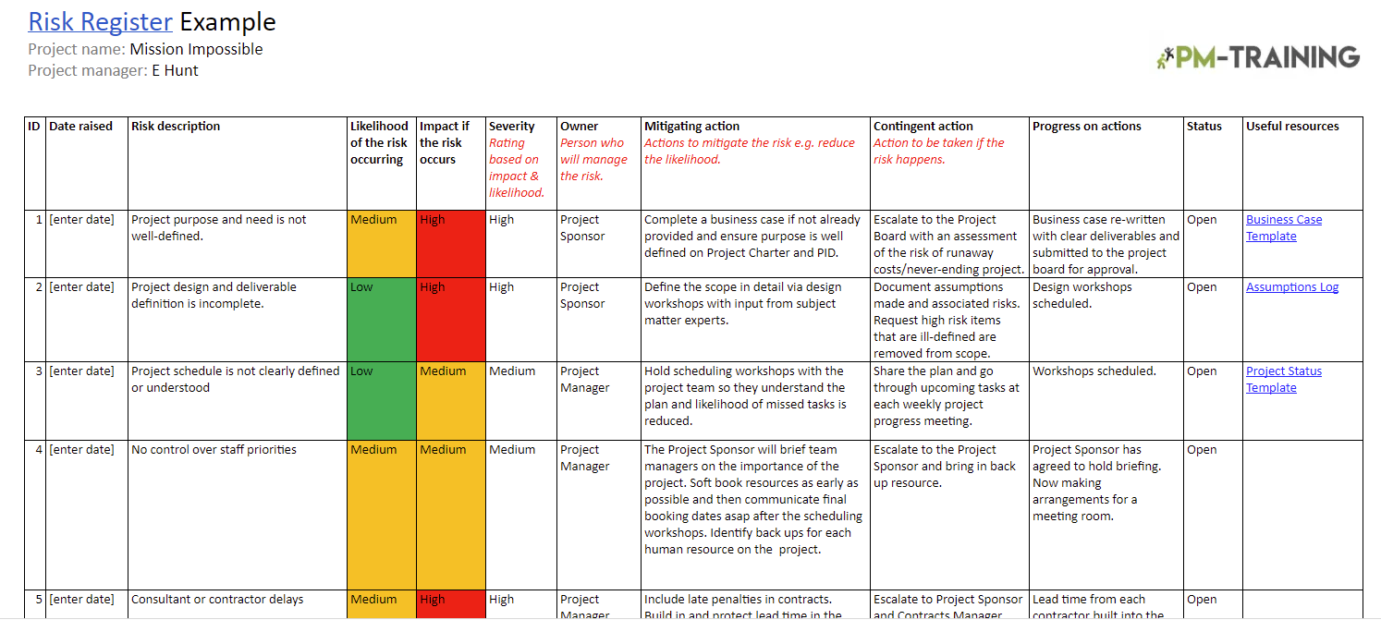
Overview / grading requirements:
An essential tool in any project management methodology is the risk log or risk register.
This provides a means of recording the identified risks, the analysis of their severity and the necessary management actions to be taken.
At a minimum, each risk filed into a risk register should contain a description of the risk, the impact to the business if the risk should occur (e.g. costs), the probability of its occurrence, the risk owner(s), how it ranks overall relative to all other risks, and the risk response.

Helpful Links:
https://projectmanagementacademy.net/resources/blog/risk-register-in-project-management/
https://www.youtube.com/watch?v=vkEPGFVVwfM

Example:

